Morix Client Web Application Te
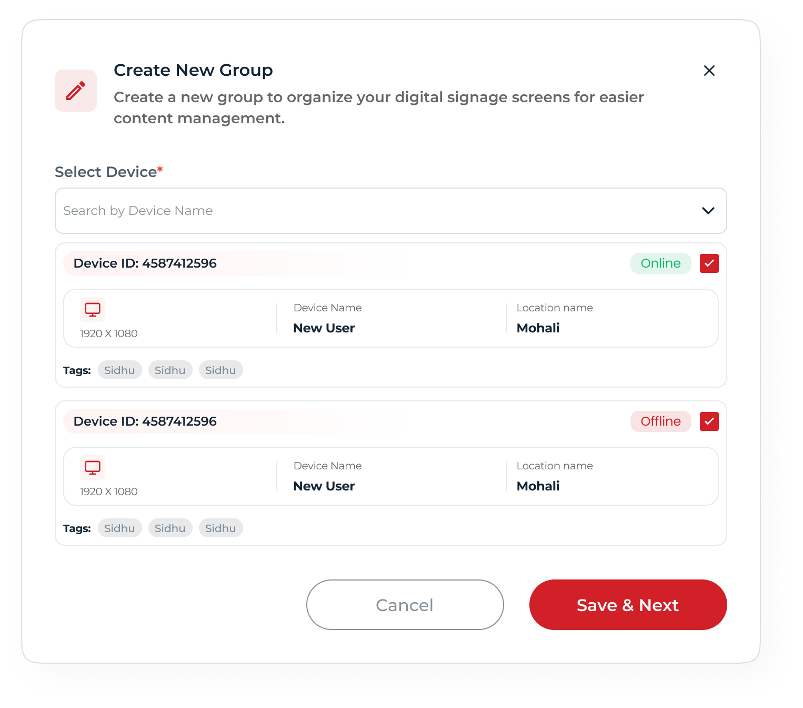
Testing Env: http://147.93.155.211/ Testing credentials: Kunal@testing.com pass: Pass@5200
Module | Sub-module | Feature | TC & Scenario | Steps/Input data | Remarks | Testing(Pass/Fail)1 | Dev Remarks | Re-testing Remarks | Testing(Pass/Fail)2 | Testing(Pass/Fail)3 | Sanjay testing-status | Column1 | Column2
User & Role Management | User & Role management | Filters | To verify filters of team members Search | Searched by screen name and email | Search by name and email | Pass
User & Role Management | User & Role management | Filters | To verify filters of team members All Roles | Filter with drop-down selection by Client Admin | Filter with Client admin is working. | Pass |  | Filter working is fine but If super admin deactivate the sub-role from super admin then respective role should be removed from All roles drop-down list and Add new user- select role list. Also add a scroller for drop-down options list. | Fail
User & Role Management | User & Role management | Filters | To verify filters of team members All Status | Filter with drop-down selection status pending, apporved, rejected | Filter is working | Pass
User & Role Management | User & Role management | Filters | To verify of team members Created Date | Checked Created date filter | Checked, created date filter not found. inpute Required a created date filter column in team member listing table | Input |  | No changes for input | No change
User & Role Management | User & Role management | Add New User | To verify admin can add new team members successfully | Click on Add team member Add Profile picture, name, email, and phone | New team member added successfully. Please rename add new team member-to Add New User. as we following over all user & role management module. | Pass
User & Role Management | User & Role management | Add New User | To very the duplication of user | Add user with same details of existing user. | Error message shows when we try to add duplicated user. Please update it to text message. User alreday exiting. response- "message": "\nInvalid `prismaClinet_1.prisma.authUser.upsert()` invocation in\n/var/www/API/dist/src/Module/Admin/teams/controller.js:55:57\n\n 52 if (!req.body.id && password) {\n 53 insertData.password = (0, md5_1.default)(password);\n 54 }\n→ 55 let data = await prismaClinet_1.prisma.authUser.upsert(\nUnique constraint failed on the fields: (`email`)", | Fail | Done | A toast message added-User with email alreday exits | Pass
User & Role Management | User & Role management | Add New User | To verify the BASIC INFORMATION of team member | Are we adding profile picture to new team member? | There is no option to add profile picture of a new user | Fail | Not In Figma | Not in figma, But we added there a line, profile picture changes, so pls confirm that is it necessary or not. | No change
User & Role Management | User & Role management | Table | To verify Team member table column | checked table columns with respective figma | Input: Checked with compair to figma required to add a created date column in the table. | Input |  | No changes for input | No change
User & Role Management | User & Role management | Activate/Deactivate | To verify table action - activate/deactivate | Clicked on activate/deactivate button | Only Perfomed action to activate/deactivate, need to login and check with super admin where it should be show some validatio message if user deactivated | Testing Pending |  | Retested scenario: Created a new user with email mohdzubair204@gmail.com Activated the user. Logged in with the user account. Deactivated the user. Expected: A deactivated user should not be allowed to perform any activities or permissions. Actual: The deactivated user can still add, edit, and update their respective permissions. | Fail
User & Role Management | User & Role management | Resent Invite | To very resent invite to the user added | Resent Invite | Wrong toast message shown when we resent invite to the user Toast message response- - {"success":true,"message":"Credentials sent successfully","data":[]} its should be : Resent Invite Successfully | Fail | Done | Found Ok | Pass
User & Role Management | User & Role management | Edit | To verify table action - edit | Clicked on Edit button | Perfomed action edit. Failed to updated and Showing an error message as : "message": "\nInvalid `prismaClinet_1.prisma.authUser.upsert()` invocation in\n/var/www/API/dist/src/Module/Admin/teams/controller.js:55:57\n\n 52 if (!req.body.id && password) {\n 53 insertData.password = (0, md5_1.default)(password);\n 54 }\n→ 55 let data = await prismaClinet_1.prisma.authUser.upsert(\nUnique constraint failed on the fields: (`email`)", Inputs: Are we able to edit rejected user? | Fail | No Flow of Rejection Only Active and Inctive | Users are only activate and deactivated, no other flow found | No change
User & Role Management | User & Role management | Edit | To verify updated button should be availabe if user edit data | Click Select Role or removed role | When we removed the role, and select again then updated user button should be visible and allow to updated user. | Fail | No issue find | Rechecked with the new changes and found a new UI. Currently, when trying to edit a user by going to the Action → Edit option, the user fields are shown blank, and no data is displayed in the edit user form. UI: Pls add a scroller for Select Role field and add some pedding on cross remove button X. | Fail
User & Role Management | User & Role management | Sorting | To verify sorting for each table column | Checked by clicking on table column name | Input: No sorting filter found for table columns | Input |  | No changes for input | No change
User & Role Management | User & Role management | Pagination | To verify pagination of the table for team member | Checked by Rows per page:5,10,20,50,100 | Pagination is working with respective rows per pages | Pass
User & Role Management | User & Role management | Statistics | To verify Statistics of user & role menagement | Calculated TOTAL USERS, ACTIVE USERS, ADMIN USERS Checked statics | Inpute: we have statistics for Total User, Active User and Admin User. But we also having status pending, rejected | Input |  | New changes found as of now user can click on statistic and redirect and filter active, inactive and total users list. No changes for input, | Pass
User & Role Management | User & Role management | table | To verify checked and Unchecked All option in the table of team member | Clicked on Checked all option, and unchecked few team members on table list. | If we unchecked few users from table list then Checked All should be clear | Fail | is we uncheck few user it's showing - in the check box indicate Partial selection. It's inbuilt component Functionality | Ok got the comment | Pass
User & Role Management | User & Role management | User Permission | To verify that a user should be able to add and remove permissions. If a Super Admin removes a permission, then the user should be restricted from performing that action, such as View, Create, Edit, and Delete. | Go to Super admin-role manage, Select Role & Sub-Role, Checked by adding or removing permissions(Create, Edit, View and Delete) | Retesting | Pending |  | Retested, Not Working with respective permissions Create, Edit , View and Delete. Also note, 1. If super admin unchecked permission for create and View then also other permission should be unchecked automatically. 2. At Client login, we dont have view and Delete option but we have permission checkbox in super admin. | Fail
Media File Management | Media File Management | Search | To verify search by file name | File names | Search by file name working fine | Pass |  |  |  |  | Pass
Media File Management | Media File Management | Upload Media Files | To verify Upload Media Files with Upload Location | Four Media Uploaded(videos and Images) | Media uploaded and listed successfully | Pass |  |  |  |  | Pass
Media File Management | Media File Management | Move to folder | To verify media upload should be move to folders | Checked media and click on move to folder button | Media moved successfully | Pass |  |  |  |  | Pass
Media File Management | Media File Management | Single/ Multi Select Delete | To verify media listed, should be delete by single select or multi select | Single select media - click on delete Multi select media - click on delete | Media Deleted successfully and if the media is used in playlist ist showing error toast message " One or more items are used in playlist" | Pass |  |  |  |  | Pass
Media File Management | Media File Management | New Folder Button | To verify a new folder is created or not | Click on New Folder Button | New folder created successfully | Pass |  |  |  |  | Pass
Media File Management | Media File Management | New Folder Delete | To verify a new folder created, able to delete | Click on Delete option of folder | Folder deleted successfully | Pass |  |  |  |  | Pass
Media File Management | Media File Management | Update Folder | To verify a new folder created, able to update or rename | Click on Update folder option | Folder successfully updated or renamed | Pass |  |  |  |  | Pass
Media File Management | Media File Management | Select/Deselect | To verify media listed in the folder, should be able to select All, individual and Deselect All | Go to media list and check media, select, deselect | Working fine Inpute: can we add a label for sort by as we did for search? | Pass |  |  |  |  | Pass
Media File Management | Media File Management | Sort by | To verify sorting with Uploaded Date - Newest first | Applied sort by Uploaded Date - Newest first | Working fine | Pass |  |  |  |  | Pass
Media File Management | Media File Management | Sort by | To verify sorting with Uploaded Date - Oldest first | Applied sort by Uploaded Date - Oldest first | Working fine | Pass |  |  |  |  | Pass
Media File Management | Media File Management | Sort by | To verify sorting with File size - Largest first | Applied sort by File size - Largest first | Working fine | Pass |  |  |  |  | Pass
Media File Management | Media File Management | Sort by | To verify sorting with File size - Smallest first | Applied sort by File size - Smallest first | Working fine | Pass |  |  |  |  | Pass
Media File Management | Media File Management | Create Media | To verify media should be created and also able to edit in editor | Click on Create media option and Click on Editor open button | When creating media, the page redirects to the Media section, but the media cannot be selected. The “Open Editor” button is visible but not clickable. | Fail | Done |  |  |  | Fail | Facing UI issue on poster my wall page, once I click on the email, then click back to the design button.
Media File Management | Media File Management | View - Grid/List | To verify meida listed should be able to view in grid and listed views | Switching Grid to List and List to Grid view | Checked by switching grid to list view and list to grid view, found OK | Pass |  |  |  |  | Pass
Media File Management | Media File Management | Three dot menu for medias | To verify three dot menu of each media in grid view and list view | Click on three dot of media, listed at All files | Not working | Fail | Done |  |  |  | Pass | Working fine now when I click on the three dot menu, redirects to the file detail page.
Media File Management | Media File Management | Media view | To verify that listed media file should be click and view in grid and list view | Click on Media in Grid/List view - File details | Working for Grid view but not able to view file details in list. | Fail | Done |  |  |  | Pass | Able to view media file, in list view also.
Media File Management | Media File Management | Statistics | To verify Statistics of Media File Management | Calulated media for Total Files, Images, Videos, Storage Available, and Storage Used | Total Files - OK, Images - OK, Videos - OK, Storage Available - OK, and Storage Used - OK | Pass |  |  |  |  | Fail | UI issue on storage available card section. Text extending the storage available section. | Storage available and storage used are expanded compared to other cards.
Playlists | Playlist | Create PlayList | To verify that a playlist created with playlist name and description | Cliick on Create Playlist Button, Add name and description | Playlist created successfully | Pass |  |  |  |  | Fail | Playlist created successfully but how many playlists are active and how many are inactive, tags are not showing. | Once created the playlist. And again, click on the create playlist, showing the previous playlist text on the create playlist screen.
Playlists | Playlist | Duplicate Playlist | To verify that playlist duplication by clicking on three dot menu | Click on three dot of playlist, click on duplicate playlist | Playlist duplicated successfully with new name as TestPlayList Copy | Pass |  |  |  |  | Pass
Playlists | Playlist | Rename Playlist | To verify that playlist should be rename by clicking on three dot menu | Click on three dot of playlist, click on rename playlist | Successfully rename playlist | Pass |  |  |  |  | Pass
Playlists | Playlist | View History | To verify that view history of a playlist by clicking on three dot menu | Click on three dot of playlist, click on view history | Click on view histry, its redirect to Playlist histroy page and showing a table with column name Published on, Screens, Layouts, Actions. | Pass |  |  |  |  | Fail | Wrong date format showing on published on column and content detail page.
Playlists | Playlist | Delete Playlist | To verify that playlist created should be able to delete the playlist by clicking on three dot menu | Click on three dot of playlist, click on delete playlist | Click on delete playlist, playlist deleted successfully | Pass |  |  |  |  | Pass | There is a delete button available on playlist card as well.
Playlists | Playlist | Search | To verify that search should be work on playlist name and ID | Click on search bar, search by name and ID | Working fine. Inputs: how to search with ID? and correct the UI for placeholder | Fail | Done |  |  |  | Fail | Search by ID is not available
Playlists | Playlist | All Status | To verify that playlist should be listed with status Active or Inactive | Click on All status , select Active or Inactive status | Checked by active list and inactive list of playlist, for list view all the playlist are showing active status beside that filter with inactive | Fail | Done |  |  |  | Fail | Active and inactive label is not available on, Playlistcard.
Playlists | Playlist | View - Grid/List | To verify playlist listed should be able to view in grid and list views | Switching Grid to List and List to Grid view | Working fine | Pass |  |  |  |  | Pass
Playlists | Playlist | Statistics | To verify Statistics of Playlists Management | Calculated for TOTAL PLAYLISTS, ACTIVE PLAYLISTS, CONTENT ITEMS, ASSIGNED | Found OK | Pass |  |  |  |  | Fail | Active playlist card is expanded compared to other cards.
Playlists | Playlist | List view- All Playlist table | To verify playlist table in list view | Checked table of Playlist-->All Playlist | Checked and found that, duration column showng layouts count. also the sorting is not working. Inpute: We dont have layout column name in the table , required a layout column name separatly or adjust it with table. Also add Sr. column for playlist. Also in action column of list view, are we adding publish, edit, and delete option as we did in grid view. | Fail | Done |  |  |  | Fail | Need clarification this
Playlists | Playlist | List view- three dot menu- View detail | To verify that admin can view the details of playlist by clicking on view details | Click on three dot menu, Click on View details | Successfully redirect to view playlist details | Pass |  |  |  |  | Pass
Playlists | Playlist | List view- three dot menu- View History | To verify that admin can view the history of playlist by clicking on view history/Publication History | Click on three dot menu, Click on View histroy | Successfully redirect to view playlist publication history | Pass |  |  |  |  | Fail | Time format shows wrong
Playlists | Playlist | List view- three dot menu- Device menaegment | To verify that admin can view and redirect to the device managment details | Click on three dot menu, Click on Device menagement | Successfully redirect to Device management screen | Pass |  |  |  |  | Fail | Device management not available in three dot action.
Playlists | Playlist | Playlist-->Playlist History/Publication History | To verify that Publication History should be visible with correct table columns after redirect to playlist history screen. | Click on list view-Click on three dot menu-Select view history | checked with table columns Sr.,Published on,Screens, Layouts, and Actions. In action column, ON/OFF button not working. | Fail | Removed No Action Needed |  |  |  | Fail | On/Off button not available.
Playlists | Playlist | Playlist-->Device Management | To verify that device management having screen and group and its should be able to publish and schedule | Click on list view-Click on three dot menu-Select device management | Input: Can we change the option name from Device Management to Publish/Schedule Screens? Because on the breadcrumb navigation for the Device Management screen, we are showing Publish. Also we have a publish button in grid view. | Fail | Done |  |  |  | Fail | device management is not availbale to select.
Playlists | Playlist | Publish Playlists | To verify that admin can publsih the playlist by selecting screens records | Click on publish/device menagement button on grid and list view, Select screen records, Click on Publish button | Screens publish successfully and showing in publication history | Pass |  |  |  |  | Pass
Playlists | Screen Tab | Publish-->Screens records Filters | To verify that search should be work for screen records | Search by screen name | Found OK | Pass |  |  |  |  | Pending | Module not found
Playlists | Screen Tab | Publish-->Screens records Filters | To verify that admin should able to select screen records with count 5, 10, 20, 50 from drop-down | Click on Screens - Drop-down appered as 5,10,20,50 , Select any one | Found OK | Pass |  |  |  |  | Pending | Module not found
Playlists | Screen Tab | Publish-->Screens records Filters | To verify that screens should be able to search with tag names | Click on Tag, Select a tag from drop-down | Found OK | Pass |  |  |  |  | Pending | Module not found
Playlists | Screen Tab | Selected Screens | To verify that screen should be able to select and published | Click on Select records, records listed selected, Unchecked some records | Not OK. When the user unchecks the record, it is removed from the list. However, we already have a Remove option to remove records from the selected records before publishing. It should only allow records that are checked, and the record should not be removed from the list when it is unchecked. | Fail | Not A Bug |  |  |  | Pending | Module not found
Playlists | Screen Tab | Selected Screens | To verify that screen setting button is clickable | goto screen table(action column), click on setting option | Screen setting button not working | Fail | Done |  |  |  | Pending | Module not found
Playlists | Group tab | Publish-->Groups filter | To verify that search should be work for groups listed | Search by Group name | Found OK | Pass |  |  |  |  | Pass
Playlists | Group tab | Publish-->Groups filter | To verify that admin should able to select groups with count 5, 10, 20, 50 from drop-down | Click on Screens - Drop-down appered as 5,10,20,50 , Select any one | Found OK | Pass
Playlists | Group tab | Publish-->Groups filter | To verify that groups should be able to search with tag names | Click on Tag, Select a tag from drop-down | Found OK | Pass
Playlists | Group tab | Selected Groups | To verify that groups should be able to select and published | Click on Select records, records listed selected, Unchecked some records | Not OK. When the user unchecks the record, it is removed from the list. However, we already have a Remove option to remove records from the selected records before publishing. It should only allow records that are checked, and the record should not be removed from the list when it is unchecked. | Fail | Not A Bug
Playlists | Schedule Playlist | Start date and End date | To verify that user should able to schedule playlist with start date and end date | Click on Schedule button, Choose Start and End dates from calender | Please prevent to select past date as end date for scheduling the playlist, and also dont allow to select start date before end date. add a validation error message there. | Fail | Done
Playlists | Schedule Playlist | Start time and End time | To verify that user should able to schedule playlist with start date and end date | Click on Schedule button, Enter Start time and End times | Checked by entering both times and received the validation error message: "End time must be after the start time." Inputs: How will someone know which time it is (AM or PM)? Also, the error message is shown every time, even when valid input times are entered. | Fail | it's in 24hrs cycle
Playlists | Layout Edit Screen | Edit | To verify that user should be able to edit listed playlists | Click on Grid view, Click on Edit button on playlist | Successfully redirected to layout edit screen | Pass
Playlists | Layout Edit Screen | Edit | To verify Exit Button Navigation to back | Click on Edit button, Click on Exit button to back | Working fine | Pass
Playlists | Layout Edit Screen | Edit | To Verify Media tab should be selected by default | Click on Edit button | Found OK | Pass
Playlists | Layout Edit Screen | Edit | To Verify Widgets Tab Switching | Click Widgets tab - Widgets panel should open. Click Media tab - Media panel should reappear | Found OK | Pass
Playlists | Layout Edit Screen | Edit | To verify that New blank design canvas should be created | Click on New Design button | Currently, it opens PostMyWall templates. When we click on the remove (cross) button, it redirects to the Playlists dashboard, which is incorrect. It should redirect to the Layout screen so the user can click the New Design button again. | Fail | WIP
Playlists | Layout Edit Screen | Edit | To verify that Upload Media and listed in media with there categories tab | Click on Upload media | Media uploaded successfully and listed in media, but required a loader to wait for completion of upload. | Input
Playlists | Layout Edit Screen | Edit | To verify that Upload media with unsupported file format | Click on Upload unsupported media | Not allowed to upload unsupported medias | Pass
Playlists | Layout Edit Screen | Edit - Search Media | To verify that media is able to search after uploading | Search on ALL, Images, videos and folders | In the folder, when we click on a folder and search for media, the search is not working. Also, the folder icons are not shown in the preview. | Fail | Done
Playlists | Layout Edit Screen | Edit - Filter Media | To verify that media filter should be work according to image, video and folders | Filter with ALL, Images, videos and folders | Working fine | Pass
Playlists | Layout Edit Screen | Media - Drag and Drop | To verify that user should be able to Drag and drop images, videos and folder media from media panel | Media which are uploaded , Drag and Drop into zone layout | Working fine | Pass
Playlists | Layout Edit Screen | Layout Orientation - Horizontal | To veify that Canvas should display horizontal zones | Select media on canvas, Click on Horizontal button | Working fine | Pass
Playlists | Layout Edit Screen | Layout Orientation - Vertical | To veify that Canvas should display vertical zones | Select media on canvas, Click on Vertical button | Working fine | Pass
Playlists | Layout Edit Screen | Layout Orientation - Custom | To veify that Canvas should be customizable with display with Custom Canvas Size(Height and Width) | Select media on canvas, Changes width and height of media | Working fine. | Pass
...

